Inputs
 | pipeNominalOD |  | 0.24765 | m
 | pipeNominalWT |  | 0.034925 | m
 | pipeMinimumWT |  | 0.034925 | m
 | pipeNominalID |  | 0.1778
 | pipeExternalPressure |  | 0
 | pipeInternalPressure |  | 0.00E+00
 | pipeTensionEffective |  | 6674724 | N
 | pipeMoment |  | 0
 | pipeYieldStrength |  | 5.52E+08 | Pa

 | pipeMinimumID |  | 0.1778 | m

 | pipeA |  | 0.023340213256 | m^2
 | pipeAi |  | 0.024828666476 | m^2
 | pipeAo |  | 0.048168879732 | m^2

 | pipeI |  | 0.00013558236884 | m^4
pipeTensionTrue | pipeTensionEffective + (pipeInternalPressure*pipeAi) - (pipeExternalPressure*pipeAo)
 | pipeTensionTrue |  | 6674724

 |  |  | 0

 |  |  | 0

 | T/A |  | 285975279.09
 | M/2I |  | 0

 |  |  | 285975279.09 |  | Considering Addition

 |  |  | 285975279.09 |  | Considering Subtraction

 |  |  | 0.70710678119

 |  |  | 1.6356372051E+17

 |  |  | 285975279.09 | Pa |  | L.H.S of Equation(5)

 |  |  | 41.477207606 | Ksi |  | L.H.S of Equation(5)

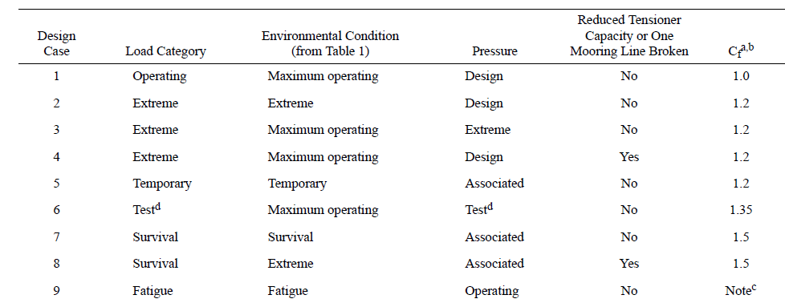
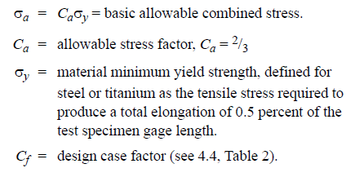

Cf |  | 1.5 |  | Considering Survival load category

 |  |  | 3.68E+08

 |  |  | 5.52E+08 |  | R.H.S of Equation(5)

 |  |  | 79.999857515 | Ksi

Limits
 |  | Solve For? | Internal Pressure |  |  |  | Tension
 |  |  |  |  |  |  |  | Tensile Yield Strength
 |  | Units
Geometry
pipeNominalOD |  | m | 0.24765 | 0.24765
pipeNominalWT |  | m | 0.034925 | 0.034925
pipeMinimumWT |  | m | 0.034925 | 0.034925
pipeNominalID |  |  | 0.1778 | 0.1778

Material Properties
Yield Strength |  | ksi | 80
 |  | Pa | 5.52E+08

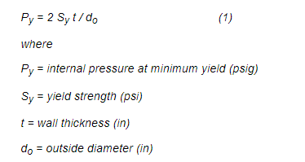
pipeA |  | m^2 | 0.023340213256
pipeAi | Ai | m^2 | 0.024828666476
pipeAo | Ao | m^2 | 0.048168879732
pipeI | I | m^4 | 0.00013558236884

Loading
pipeExternalPressure | Po |  | 0 |  |  |  | 0
pipeInternalPressure | Pi | ksi | 0 |  |  |  | 0
pipeTensionEffective |  | N | 0 |  |  |  | 12870913.920
pipeMoment |  | Nm | 0.00E+00 | 100000 | 465000 |  | 0 | 0

PipeTrueTension |  |  | pipeTensionEffective + (pipeInternalPressure*pipeAi) - (pipeExternalPressure*pipeAo) |  |  |  | T
T |  |  | Pi*Ai

 | ^ | +
Cf |  |  | 1.5 | 1.2 | 1 |  | 1.5 | 1.2

 |  |  |  |  |  |  | -(PoDo+PiDi)/(Do+Di)
 |  |  |  |  |  |  | 0.0000

 |  |  |  |  |  |  | (Pi-Po)Do/(2t) - Pi
 |  |  |  |  |  |  | 0.000

 |  |  |  |  |  |  | T/A+(M/2I)(Do-t) | 1/A
 |  |  |  |  |  |  | (M/2I)(Do-t) | 0.000 | 78448621.977 | 364786092.192

 |  |  |  |  |  |  | 0.000

 |  |  |  |  |  |  | {[Pi(Do/2t)-Pi]-[T/A+(M/2I)(Do-t)]}^2
 |  |  |  |  |  |  | T/A+(M/2I)(Do-t) ]^2
 |  |  |  |  |  |  | (T/A)^2 + (M/2I)(Do-t) ]^2 + 2*(M/2I)(Do-t) ]*(T/A)

 |  |  |  |  |  |  | (T/A)^2 + (M/2I)(Do-t) ]^2 + 2*(M/2I)(Do-t) ]*(T/A)

 |  |  |  |  |  |  | 1/A | 42.845
 |  |  |  |  |  |  | 2*(1/A) | 85.689
 |  |  |  |  |  |  | (1/A)^2 | 1835.652

 |  |  |  |  |  |  | (SIGMApr-SIGMApo)^2+(T/A)^2 + (M/2I)(Do-t) ]^2 + 2*(M/2I)(Do-t) ]*(T/A) + (T/A)^2 + (M/2I)(Do-t) ]^2 + 2*(M/2I)(Do-t) ]*(T/A)
 |  |  |  |  |  |  | (SIGMApr-SIGMApo)^2 + 2*(T/A)^2 + 2*(M/2I)(Do-t) ]^2 + 4*(M/2I)(Do-t) ]*(T/A)

 |  |  |  |  |  |  | 2*(M/2I)(Do-t) ]^2 | 0
 |  |  |  |  |  |  | (SIGMApr-SIGMApo)^2 + 2*(M/2I)(Do-t) ]^2 | 0
 |  |  |  |  |  |  |  | 0.000
 |  |  |  |  |  |  |  | LHS

Ca |  |  | 0.666 | 0.8 | 1

 |  | pa | 53.28 | 6.40E+01 | 8.00E+01

 |  | Ksi | 80 | 7.68E+01 | 53.28 | RHS
 |  | pa | 5.51E+08 | 5.30E+08 | 3.67E+08

 |  |  |  |  |  |  | Square on both sides

 |  |  |  | = |  |  | =

 |  |  |  |  |  | T^2
 |  |  |  |  |  |  | (SIGMApr-SIGMApo)^2 + 2*(T/A)^2 + 2*(M/2I)(Do-t) ]^2 + 4*(M/2I)(Do-t) ]*(T/A) = 2*{Cf*SigmaA}^2
 |  |  |  |  |  |  | 2*(T/A)^2 + 4*(M/2I)(Do-t) ]*(T/A) = 2*{Cf*SigmaA}^2 - 2*(M/2I)(Do-t) ]^2 - (SIGMApr-SIGMApo)^2

 |  |  |  |  |  |  | 2*{Cf*SigmaA}^2 - 2*(M/2I)(Do-t) ]^2 - (SIGMApr-SIGMApo)^2 | 2.70E+17

 |  |  |  |  |  |  | 2* (T/A)^2 = 2*{Cf*SigmaA}^2 - 2*(M/2I)(Do-t) ]^2 - (SIGMApr-SIGMApo)^2
 |  |  |  |  |  |  | (T/A)^2 + 2*(M/2I)(Do-t) ]*(T/A) = [2*{Cf*SigmaA}^2 - 2*(M/2I)(Do-t) ]^2 - (SIGMApr-SIGMApo)^2 ] / 2 | 1.35E+17

 |  |  |  |  |  |  | a = (1/A)^2 | 1835.65
 |  |  |  |  |  |  | b= 2*(M/2I)(Do-t) ]*(1/A) | 0.00 | 13444371071.77 | 62516325483.72
 |  |  |  |  |  |  | c= RHS | -1.3494798311E+17
 |  |  |  |  |  |  |  | -3.04E+17

 |  |  |  |  |  |  | x1_1 | 12870913.92 | N | 12870.91392 | kN
 |  |  |  |  |  |  | x1_2 | -12870913.92 | N | -12870.91392 | kN

 |  |  |  |  |  |  | x2_1 | 9719717.94 | 4317023.10
 |  |  |  |  |  |  | x2_2 | 0.00

BM Vs Tension plot_Python
Pipe Capacity Utilization Chart 15 ksi Pressure, 6-5/8" Pipe
0.0 | 12870.9
-100.0 | 9593.9
-160.0 | 7975.8
-240.0 | 6164.2
-300.0 | 5019.6
-360.0 | 4021.7
-420.0 | 3141.9
-465.0 | 2545.5
-465.0 | -2545.5
-420.0 | -3141.9
-360.0 | -4021.7
-300.0 | -5019.6
-240.0 | -6164.2
-160.0 | -7975.8
-100.0 | -9593.9
0.0 | -12870.9
100.0 | -9593.9
160.0 | -7975.8
240.0 | -6164.2
300.0 | -5019.6
360.0 | -4021.7
420.0 | -3141.9
465.0 | -2545.5
465.0 | 2545.5
420.0 | 3141.9
360.0 | 4021.7
300.0 | 5019.6
240.0 | 6164.2
160.0 | 7975.8
100.0 | 9593.9
0.0 | 12870.9

BM Vs Tension plot_SpreadSheet
Pipe Capacity Utilization Chart 15 ksi Pressure, 6-5/8" Pipe
0.00 | 12870.91
100.00 | 9719.72
160.00 | 8282.59
240.00 | 6796.54
300.00 | 5935.94
360.00 | 5241.15
420.00 | 4674.94
465.00 | 4317.02

